Farm
SuniTAFE Chemical storage - Farm

Chemical name | Picture | SDS | Type of chemical | Liquid | Granulate / powder | Remaining amount | Location
Turbs |  | N/A No label | N/A No label | ü |  | 800 ml | SuniTAFE Smart Farm (chemical shed)
Coopers Panacur 25 |  | Coopers AMITIK EC Cattle and Pig Spray (coopersanimalhealth.com.au) | Oral anthelmintic for sheep, cattle and goats | ü |  | 1L | SuniTAFE Smart Farm (chemical shed)
Linseed oil |  | 9245606_sds_en_09_11_2019.pdf (princessauto.com) | Timber protector | ü |  | 1L | SuniTAFE Smart Farm (chemical shed)
Methylated Spirits |  | Hazardous according to Worksafe Australia criteria (diggersaustralia.com.au) | 96% Ethanol un 1170 | ü |  | 700 ml | SuniTAFE Smart Farm (chemical shed)
Recochem – Record Home Kerosene |  | Hazardous according to Worksafe Australia criteria (diggersaustralia.com.au) | Kerosene | ü |  | 500 ml | SuniTAFE Smart Farm (chemical shed)
Get Set | 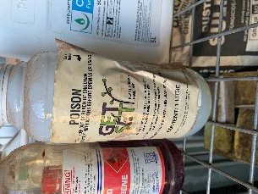 | CSI PORTAL (nufarm.com) | Plant growth regulant | ü |  | 700 ml | SuniTAFE Smart Farm (chemical shed)
Mistrol | 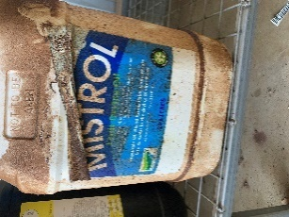 | CSI PORTAL (csinfosafe.com) | Fruit drying oil | ü |  | 20L | SuniTAFE Smart Farm (chemical shed)
Sporekill | 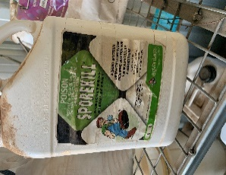 | 55Bordeaux (7worlds.com.au) | Agricultural disinfectant | ü |  | 5L | SuniTAFE Smart Farm (chemical shed)
Microsul WG Elite | 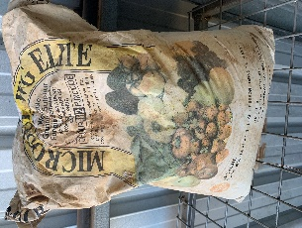 | 5484_MICROSUL_WG_ELITE_(AU).pdf (7worlds.com.au) | Granular Sulphur |  | ü | 10 kg | SuniTAFE Smart Farm (chemical shed)
Fruit Fly Lure - Bugs for Bugs | 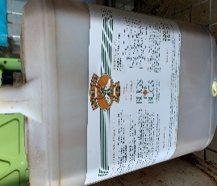 | SDS Template - Yeast Products Only (bugsforbugs.com.au) | Attractant | ü |  | 3L | SuniTAFE Smart Farm (chemical shed)
Delan 700 WG | 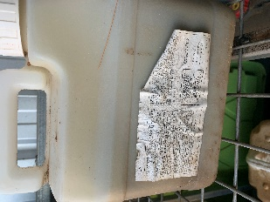 | Delan 700 WG Fungicide - AU SDS.pdf (basf.com.au) | Fungicide broad-spectrum disease control |  | ü | 2 kg | SuniTAFE Smart Farm (chemical shed)
Lorsban 750 WG | 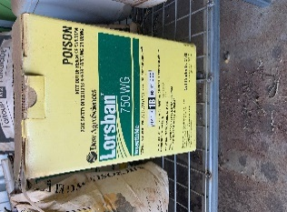 | Lorsban 750WG SDS Oct 2019 (corteva.co.nz) | Insecticide |  | ü | 5g | SuniTAFE Smart Farm (chemical shed)
Chief Aquaflo | 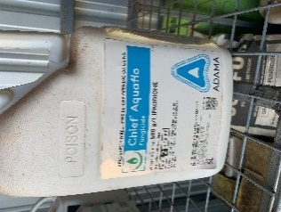 | Chief Aquaflo Fungicide (adama.com) | Dicarboximide fungicide | ü |  | 2L | SuniTAFE Smart Farm (chemical shed)
Peroxy Treat | 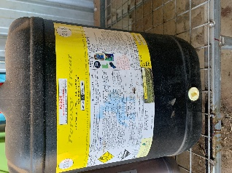 | SDS-Peroxy X22 (28Oct2016) V2.1 (unr.edu) | Fungicide for suppression of Grey Mould / Bunch Rot on Grapevines | ü |  | 8L | SuniTAFE Smart Farm (chemical shed)
Biologic -Foliar Kelp | 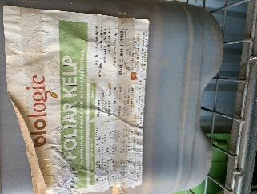 | Organic-Based-Liquid-Kelp-Akers-of-Lawn-December-2020.pdf (akersoflawn.com.au) | Liquid kelp suitable for foliar application | ü |  | 4L | SuniTAFE Smart Farm (chemical shed)
HY-Clor | 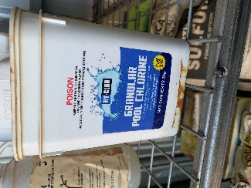 | HY-CLOR GRANULAR POOL CHLORINE SDS_03.07.18 (hyclor.com.au) | Granular pool chlorine |  | ü | 1 kg | SuniTAFE Smart Farm (chemical shed)
Alginox | 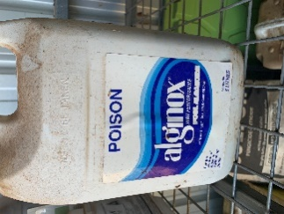 | POOL ALGAECIDE-SDS (all-pro.com.au) | Control of algae in swimming pools | ü |  | 2.5L | SuniTAFE Smart Farm (chemical shed)
Yates – Weed ‘n’ Feed | 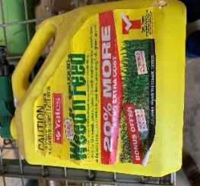 | 4ee3bf6b-7ae6-4945-9792-c148c3f8fb92.pdf (rackcdn.com) | Hose on kills weeds, green lawns. Control most broadleaf weeds and adds nutrition to lawns, lush and growth. | ü |  | 2L | SuniTAFE Smart Farm (chemical shed)
Previcur | 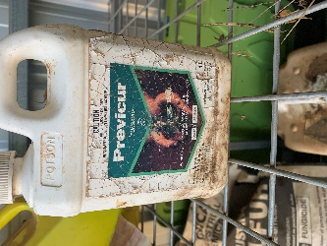 | BCS_SDS_REACH (bayercropscience.ie) | Systematic fungicide for control of damping-off of ornament plants caused by Pythium. | ü |  | 250 ml | SuniTAFE Smart Farm (chemical shed)
Dusting Sulfur | 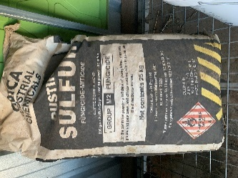 | Microsoft Word - 2012-Dusting Sulfur $ 34704-1020.docx (greenbook.net) | Fungucide powdered Sulfur (control of powdery mildew, citrus rust mite) |  | ü | 25 kg | SuniTAFE Smart Farm (chemical shed)
Previcur | 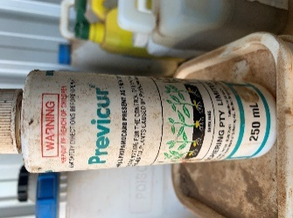 | BCS_SDS_REACH (bayercropscience.ie) | Propamocarb (effective protection against damping-off) | ü |  | 1L | SuniTAFE Smart Farm (chemical shed)
Coopex | 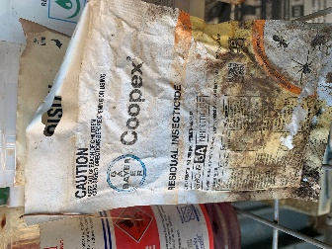 | BCS_SDS_AU (exopest.com.au) | Residual insecticide |  | ü | 250g | SuniTAFE Smart Farm (chemical shed)
Uniroyal Chemical Alar SP | 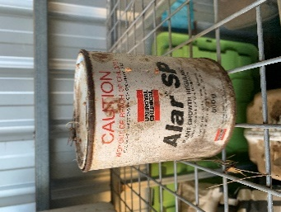 | SDS - Alar SG Plant Growth Regulant - 200920 (gardensuperstore.com.au) | Plant growth regulant |  | ü | 500g | SuniTAFE Smart Farm (chemical shed)
Linuron | 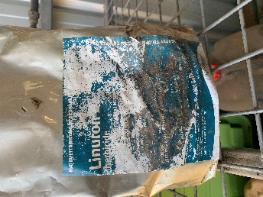 | Lorox Linuron DF Herbicide SDS 7 Dec 21 (agnova.com.au) | Herbicide. For the selective weed control |  | ü | 2 kg | SuniTAFE Smart Farm (chemical shed)
Ronstar Granulates | 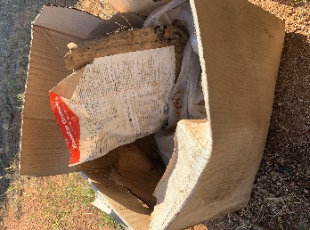 | Ronstar_MSDS_0810 (bayer.com.au) | Selective herbicide |  | ü | 4 kg | SuniTAFE Smart Farm (chemical shed)
Citric Acid | 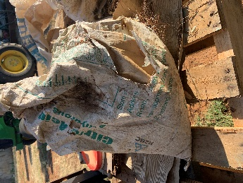 | https://grapeworks.com.au/wp-content/uploads/2021/01/MSDS_ERCIT1_Citric-Acid.pdf | Low the pH in water |  | ü | 4 kg | SuniTAFE Smart Farm (chemical shed)
30 Seconds – One Step Spray & Walk Away | 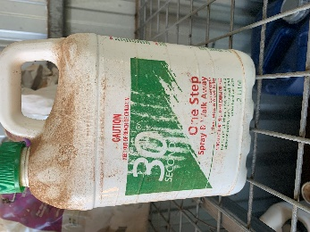 | MATERIAL SAFETY DATA SHEET (30seconds.com.au) | Lichen, moss and algae killer | ü |  | 2L | SuniTAFE Smart Farm (chemical shed)
Kendon – Marker DYE Liquid Marking DYE | 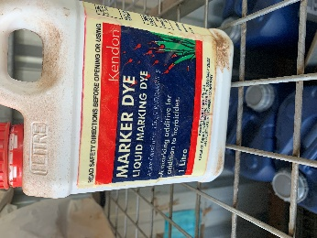 | https://nuturf.com.au/images/product-tech-sds/Big_Red_Spray_Marker_Dye_SDS.pdf | Additive for addition to herbicides | ü |  | 1L | SuniTAFE Smart Farm (chemical shed)
Gesatop granules | 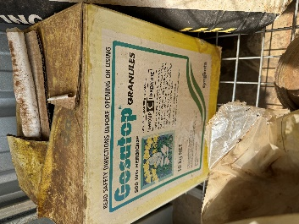 | Gesatop 900WG SDS (pestgenie.com.au) | Herbicide. Simazine. Control of weeds |  | ü | 2 kg | SuniTAFE Smart Farm (chemical shed)
Pivot Aluminium Sulphate Solution | 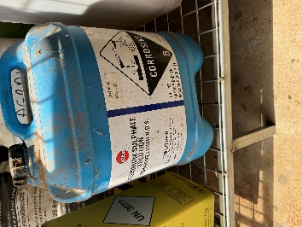 | SDS-Aluminium-Sulphate.pdf (alphachem.com.au) | Soil pH adjustment | ü |  | 20L | SuniTAFE Smart Farm (chemical shed)
Agral | 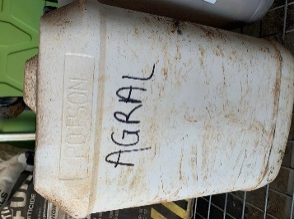 | N/A No label | Not sure what is inside | ü |  | 12L | SuniTAFE Smart Farm (chemical shed)
White Container | 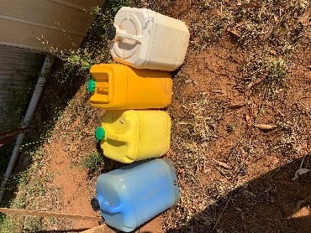 | N/A No label | N/A No label | ü |  | 10L | SuniTAFE Smart Farm (chemical shed)
Orange Container |  | N/A No label | N/A No label | ü |  | 10L | SuniTAFE Smart Farm (chemical shed)
Blue Container |  | N/A No label | N/A No label | ü |  | 2L | SuniTAFE Smart Farm (chemical shed)
Yellow Container |  | N/A No label | N/A No label | ü |  | 2L | SuniTAFE Smart Farm (chemical shed)
Empty chemical containers | 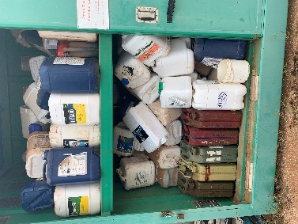 |  | Different types of empty chemical containers |  |  | Approximately 90 empty | SuniTAFE Smart Farm (chemical shed)

Farm - Teaching
SuniTAFE Chemical storage - Farm Teaching

Chemical name | Picture | SDS | Type of chemical | Liquid | Granulate / powder | Remaining amount | Location
Baythroid Beta-Cyfluthrin | 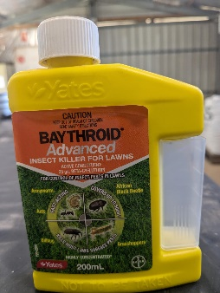 | Baythroid - Insect killer for grass | Insect killer for grass | ü |  | 2 * 200ml | SuniTAFE Smart Farm (chemical shed)
Mavrik Tau-Fluvalinate | 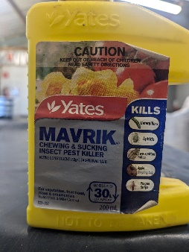 | Mavrik - Chewing and sucking insect pest killer | Chewing and sucking insect pest killer | ü |  | 20ml | SuniTAFE Smart Farm (chemical shed)
Success Naturalyte Spinosad | 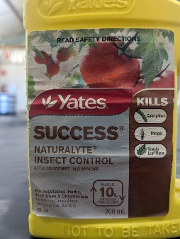 | Success - Insect control | Insect control | ü |  | 30ml | SuniTAFE Smart Farm (chemical shed)
Confidor Imidacloprid | 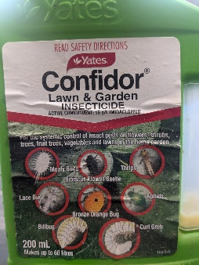 | Confidor - Lawn and garden insecticide | lawn and garden insecticide | ü |  | 100ml | SuniTAFE Smart Farm (chemical shed)
Richglo Wettable sulphur, Mancozeb | 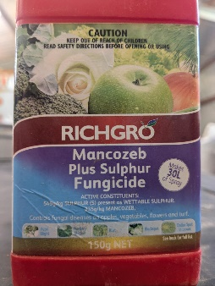 | Mancozeb plus sulphur fungicide | Mancazeb plus sulphur fungicide |  | ü | 50g | SuniTAFE Smart Farm (chemical shed)
Pyrethrum Pyrethrins, Piperonyl butoxide | 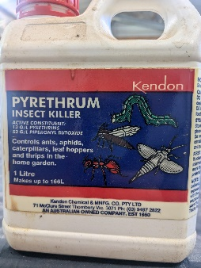 | Pyrethrum - Insect killer | Insect killer | ü |  | 500ml | SuniTAFE Smart Farm (chemical shed)
Rout Oxyfluofen, Oryzalin | 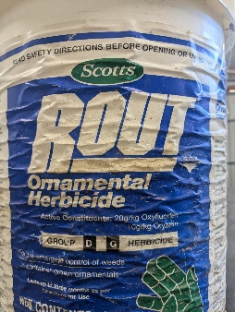 | Rout - Ornamental herbacide | Ornamental herbicide |  | ü | 5kg | SuniTAFE Smart Farm (chemical shed)
I.B.A. IBA | 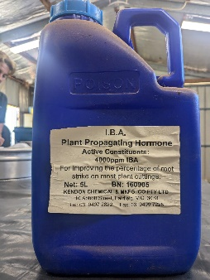 | See SDS folder | Plant propogating hormone | ü |  | 3L | SuniTAFE Smart Farm (chemical shed)

